Sheet1
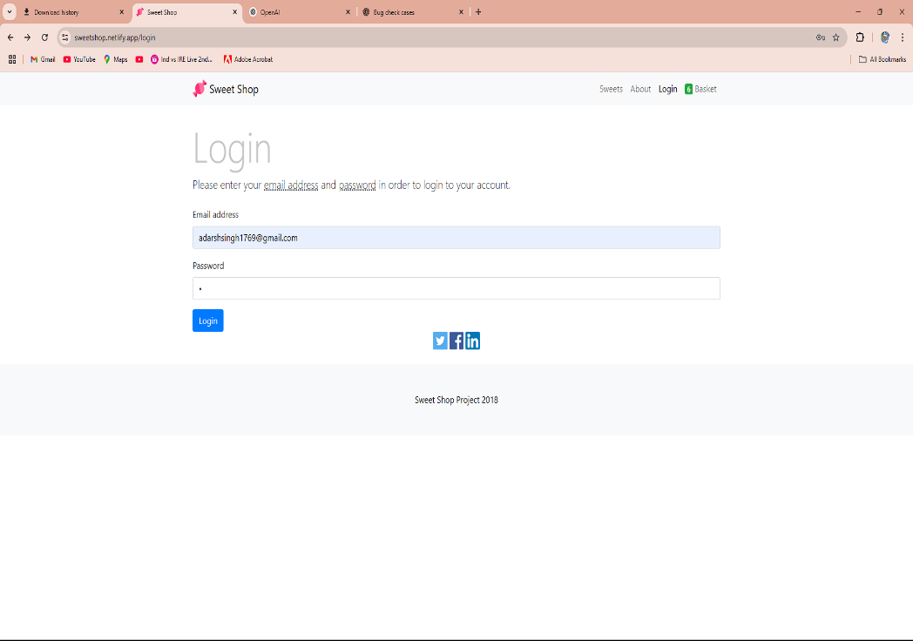
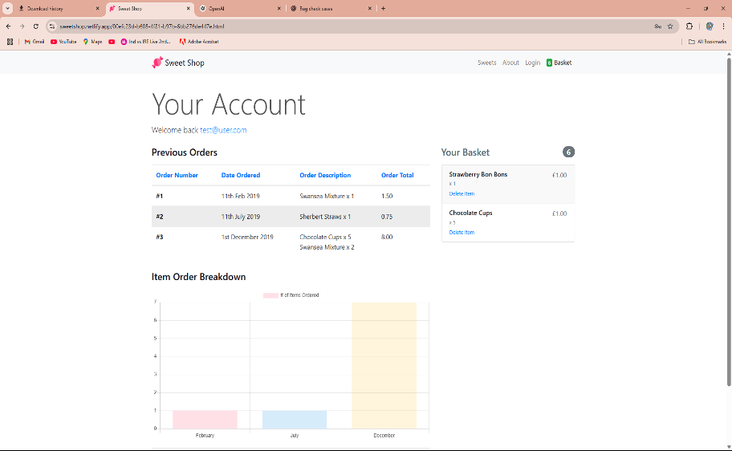
Test Cae ID | Title | Test Steps | Expected Result | Actual Result | Screenshot | screenshot
TC_login_invalid 01 | Login with incorrect username and password | 1.Enter invalid username 2.Enter invalid password. 3.Click login | Login should fail and show “Invalid credentials” error | Login successful (BUG)

TC_ID 2 | Try to register a new account | Look for a “Sign Up” or “Register” button or link | Should display “Registration option for the new user" | ❌ No registration option available

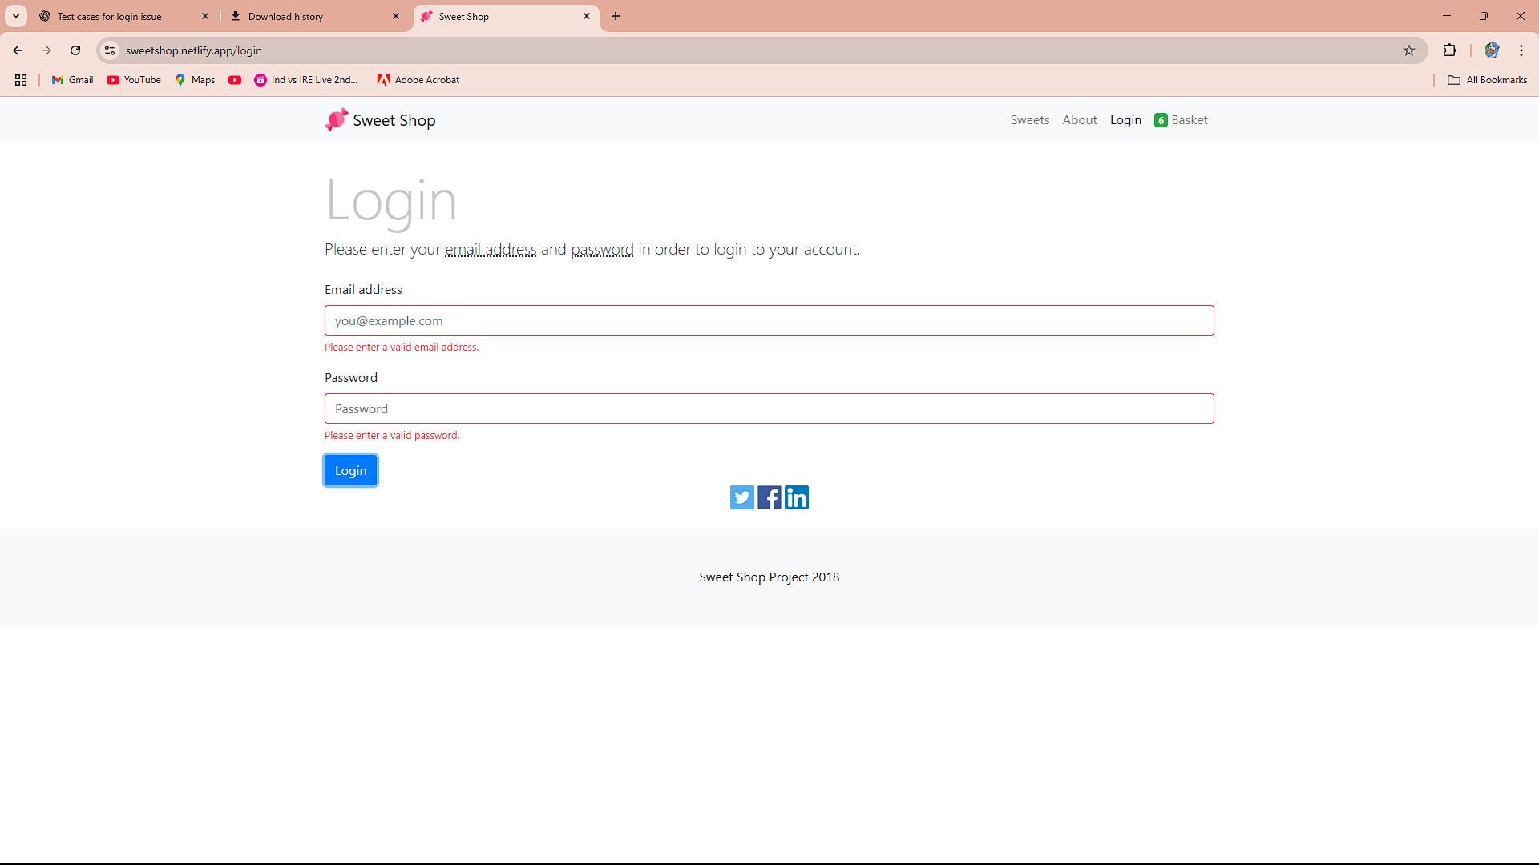
TC_ID_3 | Login with empty fields | 1. Leave both username and password fields blank.2.Click "Login" | Should display validation messages (e.g., “Username required”) | It show validation to enter the email and pass.

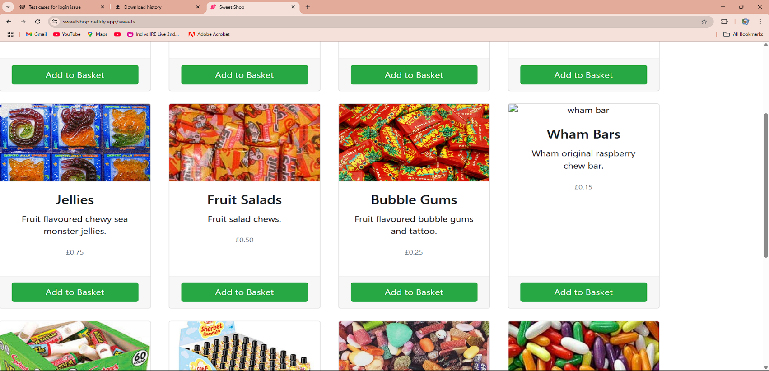
Tc_id_4 | Verify product image loading | Product images should load correctly | Open pages/reload the page | Some images not working properly

TC_id_5 | Verify logo image | 1. Check website header logo | Logo should load properly | Pass logo work properly

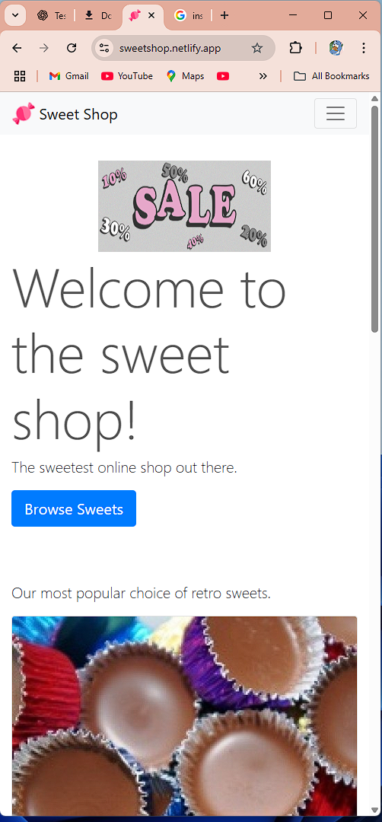
TC_id_6 | Must Responsive | Go at the mobile resolution | Must be responsive | yes,its Responsive

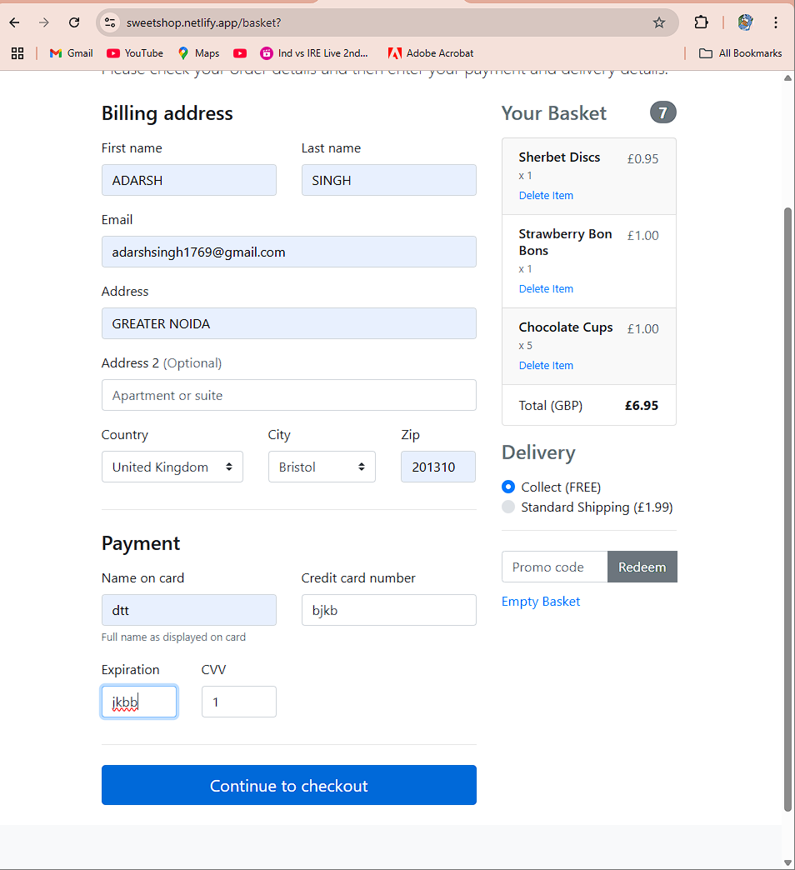
TC_id_7 | Payment with incorrect card details | 1.. Go to payment page 2. Enter invalid card number, wrong expiry date or CVV 3. Submit payment | Payment should fail with a message like "Invalid card details" | ❌ It not gived any error.

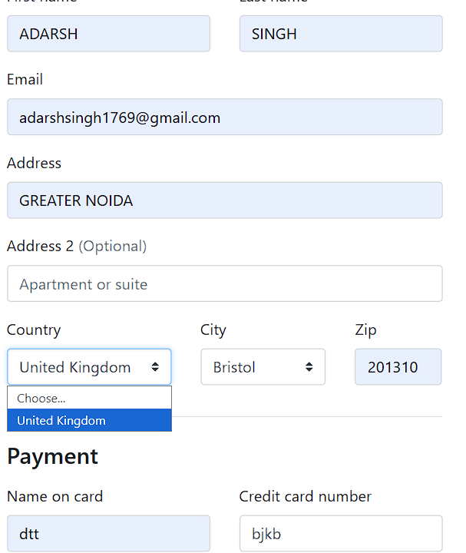
Tc_id_8 | Check default country in dropdown | . Go to checkout or shipping form 2. Open country dropdown | Default country may be selected, but others should be available | Only United Kingdom shown

TC_ID_9 | Verify LinkedIn icon functionality | 1. Scroll to footer 2. Click on LinkedIn icon | Should open the official LinkedIn page in new tab | Nothing happens / no action

TC_ID_10 | Verify Facebook icon functionality | 1. Scroll to footer 2. Click on Facebook icon | Should open the official facebook page | Nothing happens / no action

TC_ID_11 | Verify X icon functionality | 1. Scroll to footer 2. Click on X icon | Should open the official facebook page | Nothing happens / no action

